Guidance
General Guidance | Helpful Links
This form should be completed by a Line Manager or SDA, however the Line Manager of the employee(s) or anyone above within the school or department hierarchy should submit the form. The form will be rejected if it is submitted by the SDA or from their email address.
The following roles are automatically allocated to employees in People and Money as appropriate: Employee, Line Manager, (HR) Hiring Manager, (HR) Recruitment Collaborator (to staff Grade 7 and above). Please see the Role Descriptions worksheet for further details. | Role Descriptions
If you are unclear on the type or level of access required, please contact People and Money by raising a service request with category Enquiry > System Related > User Access - New/Changes.
When an employee transfers internally it is important to review and amend their People and Money access as appropriate. When an employee leaves the university their access will be removed automatically.
Post Graduate Student Requestor access requests should be submitted using the Contingent Worker Record Form. | https://www.ed.ac.uk/human-resources/a-to-z-of-forms
Contingent Worker System Access - the individual must be set up as a contingent worker prior to this form being submitted. Please request this by raising a Service request using the category System Related and in the title, 'Add Contingent Worker'.
To review the roles you have access navigate to the Bell Notification Icon > Show All > Worklist and click on your name > User details.
If you are provisioned with the Hiring Manager or School/Department Administrator (SDA) role, this will include access to the Job Description Library. Any other access to the Job Description Library is provisioned by exception only and can be requested by raising a Service Request using the category Enquiry > System Related > User Access - New/Change.
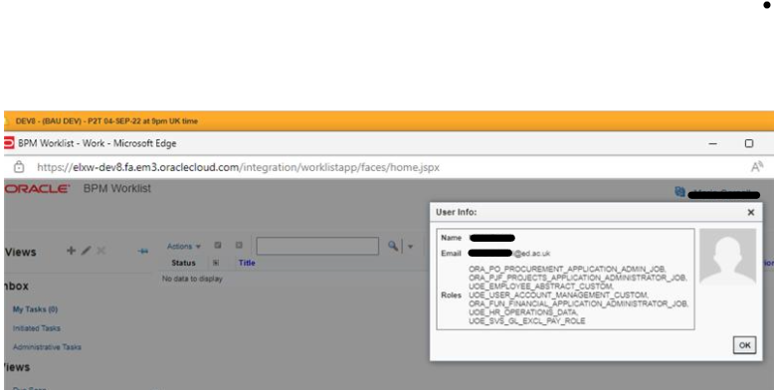

Completing the Form
Section 1. Employee /Contingent Worker Details Please complete this section in full
Section 2. Reason for the request Please complete this section in full
Section 3. People and Money Access Required Complete the relevant section(s) if the employee requiring access is required to undertake a specific role within People and Money. Please provide the area(s) of the organisational hierarchy they should be given access to. This can be at College / Professional Services Group, Planning Unit / School or Department level. | https://www.ed.ac.uk/governance-strategic-planning/for-staff/organisational-hierarchy
Section 3a and 3b Please select from the drop down list all HR / Finance Roles required.
Section 3c Learning Provider Roles Before Learning Provider roles are allocated to individuals for a department/area, that department/area must be set up as a Learning Provider by the Learning Catalogue Manager. If your department/area is not included in the drop down list of existing Learning Providers, please raise a Service Request with category Enquiry > Learning and Development to agree the name and add this to the new Learning Provider Department/Area required.
Section 4. HR SharePoint Complete this section to request access to HR SharePoint.
Section 5. Removing or Changing Access Existing access must be removed as appropriate when an employee transfers to a new role or department. Use this section to detail any changes required as a result of an internal transfer. Access is removed automatically when an employee leaves the University.
Section 6. Manager Declaration Please discuss with the employee for whom access is being requested the importance of processing any HR and Finance data in accordance with the principles of the General Data Protection Regulation and the Data Protection Act 2018. | Data Protection Policy
Note that the employee will be provided access on the basis they read and understand the People and Money Protocol which apply to all users who process the data held in People and Money. | People and Money Protocol
Section 7. Requestor Details The requestor can be either a Line Manager (or anyone above within the school or department hierarchy) or School/Department Administrator.
Section 8. Authorisation Details The form must be authorised and submitted by the Line Manager of the employee(s) or anyone above within the school or department hierarchy. Submit the completed form by raising a Service Request using the category Enquiry > System Related > User Access - New/Changes. Any forms that are not appropriately authorised will be rejected. SDA's should not submit the form on the behalf of the line manager.

